Sheet1
Year | Name of the student placed | Graduated from | Placed as | Name of the employer with contact details | Photo
 |  | Bachelor | Teacher
2016-17 | Purnima pandey | B.Ed | Teacher | Kasturba Girls School | 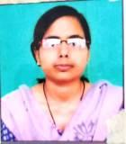
 | Preeti Shukla | B.Ed | Teacher | Primary School (Bahraich) | 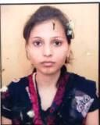
 | Neha Pandey | B.Ed | Teacher | Primary School (Lakhimpur) | 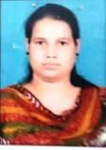
 | Abhinav Shukla | B.Ed | Teacher | Primary School

2017-18 | Shreya Srivastava | B.Ed | Teacher | Primary School | 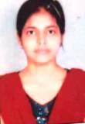
 | Diwakar Pandey | B.Ed | Teacher | Primary School | 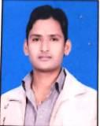
 | Subhashini Pandey | B.Ed | Teacher | Kasturba Balika Vidyalaya | 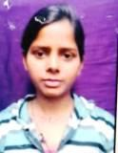

2019-20 | Noor Asra | B.Ed | Teacher | Primary School

2020-21 | Sundaram Pathak | B.Ed | Teacher | Buddha Public School (Bahraich) | 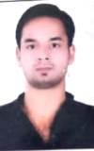
 | Ankur Sharma | B.Ed | Teacher | St. Norbert School (Bahraich) | 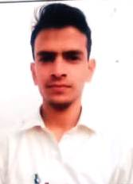
 | Divya Singh | B.Ed | Teacher | Aashirwad Academy (Bahraich) | 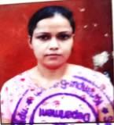

2021-22 | Chahat Singh | B.Ed | Teacher | Jaipuriya School (Bahraich) | 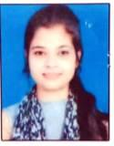
 | Vanshika Lohiya | B.Ed | Teacher | Jaipuriya School (Bahraich)
 | Shobna | B.Ed | Teacher | Aashirwad Academy (Bahraich)
 | Laxmi Devi | B.Ed | Teacher | CMS School (Gonda) | 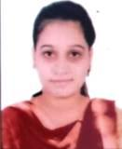

2022 | Khushboo Singh | B.Ed | Teacher | Panchayat Sahayak Chitaura Block (Bahraich)
 | Rekha Pandey | B.Ed | Teacher | Panchayat Sahayak Huzoorpur (Bahraich)
 | Harshita Jaiswal | B.Ed | Teacher | Mamta H.9 MP-NGO | 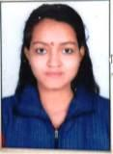
 | Ajay Verma | B.Ed | Teacher | Panchayat Sahayak Fakharpur (Bahraich) | 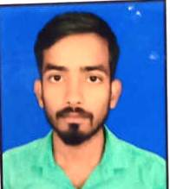
 | Swati Srivastava | B.Ed | Teacher | Panchayat Sahayak (Shrawasti)
 | Avdhesh Kumar | B.Ed | Teacher | Sarvodya Inter College Mihinpurwa (Bahraich) | 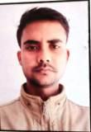
 | Akhilesh Kumar Chauhan | B.Ed | Teacher | Ramanand Inter College (Shrawasti) | 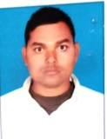
 | Krishna Kumar Yadav | B.Ed | Teacher | Rajmata Rehua Kanya Inter College (Bahraich) | 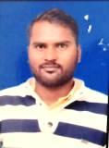
 | Manoj Kumar | B.Ed | Teacher | New Raise Inter College Jarwal kasba (Bahraich) | 